Requirements
Project 3 - Bike Users Data
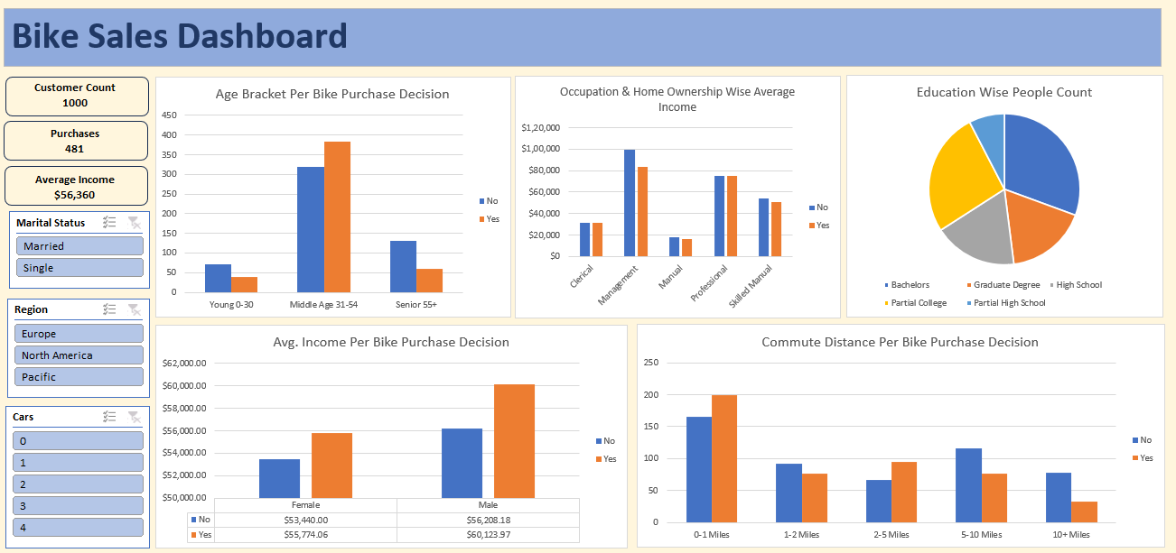
 | 1. Clean the data. Check for duplicate rows in the data.

 | 2. Pivot Insights
 | Generate following insights using pivot tables:
 | a) Gender wise Avg. Income Per Bike Purchase Decision.
 | b) Commute Distance Per Bike Purchase Decision.
 | c) Age Bracket Per Bike Purchase Decision.
 | d) Occupation & Home Ownership Wise Average Income.
 | e) People Count based on Education.

 | 3. Create a dashboard. Refer to the image of expected dashboard.

Age Bracket Per Bike Purchase D
Age Bracket Per Bike Purchase Decision
Count of Purchased Bike | Column Labels
Row Labels | No | Yes | Grand Total
Young 0-30 | 71 | 39 | 110
Middle Age 31-54 | 318 | 383 | 701
Senior 55+ | 130 | 59 | 189
Grand Total | 519 | 481 | 1000

Commute Distance Per Bike Purch
Commute Distance Per Bike Purchase Decision
Count of Commute Distance | Column Labels
Row Labels | No | Yes | Grand Total
0-1 Miles | 166 | 200 | 366
10+ Miles | 78 | 33 | 111
1-2 Miles | 92 | 77 | 169
2-5 Miles | 67 | 95 | 162
5-10 Miles | 116 | 76 | 192
Grand Total | 519 | 481 | 1000

Occupation & Home Ownership Wis
Occupation & Home Ownership Wise Average Income
Average of Income | Column Labels
Row Labels | No | Yes | Grand Total
Clerical | $31,111.11 | $31,052.63 | $31,073.45
Management | $99,444.44 | $83,284.67 | $86,647.40
Manual | $17,551.02 | $16,142.86 | $16,722.69
Professional | $75,360.82 | $74,916.20 | $75,072.46
Skilled Manual | $53,750.00 | $50,765.03 | $51,607.84
Grand Total | $55,457.41 | $56,778.92 | $56,360.00

Education wise People Count
Education Wise People Count
Row Labels | Count of Gender
Bachelors | 306
Graduate Degree | 174
High School | 179
Partial College | 265
Partial High School | 76
Grand Total | 1000

Avg. Income Per Bike Purchase D
Average of Income | Column Labels |  |  | Customer Count | Row Labels | Count of Purchased Bike
Row Labels | No | Yes | Grand Total | 1000 | No | 519
Female | $53,440.00 | $55,774.06 | $54,580.78 |  | Yes | 481
Male | $56,208.18 | $60,123.97 | $58,062.62 |  | Grand Total | 1000
Grand Total | $54,874.76 | $57,962.58 | $56,360.00

Avg. Income Per Bike Purchase Descision
 |  |  |  |  |  | Average of Income
 |  |  |  |  |  | $56,360.00

Bike Sales Dashboard
Bike Sales Dashboard

Age Bracket Per Bike Purchase Decision
 | No | Yes
Young 0-30 | 71 | 39
Middle Age 31-54 | 318 | 383
Senior 55+ | 130 | 59
Occupation & Home Ownership Wise Average Income
 | No | Yes
Clerical | $31,111.11 | $31,052.63
Management | $99,444.44 | $83,284.67
Manual | $17,551.02 | $16,142.86
Professional | $75,360.82 | $74,916.20
Skilled Manual | $53,750.00 | $50,765.03
Education Wise People Count
 | Total
Bachelors | 306
Graduate Degree | 174
High School | 179
Partial College | 265
Partial High School | 76
Customer Count
 | 1000

Purchases
 | 481

Average Income
$56,360

Avg. Income Per Bike Purchase Descision
 | No | Yes
Female | $53,440.00 | $55,774.06
Male | $56,208.18 | $60,123.97
Commute Distance Per Bike Purchase Decision
 | No | Yes
0-1 Miles | 166 | 200
10+ Miles | 78 | 33
1-2 Miles | 92 | 77
2-5 Miles | 67 | 95
5-10 Miles | 116 | 76

